6.3
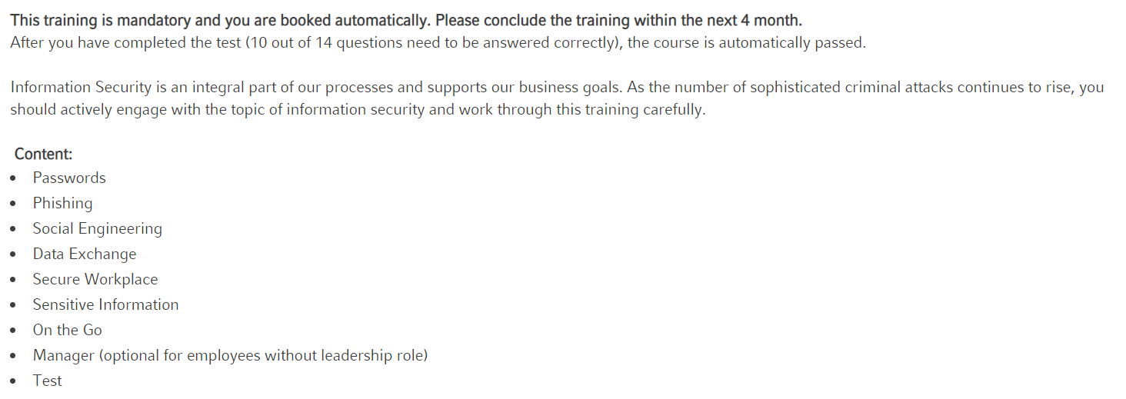
6.30 |  | Information Security awareness, education and training
 | Expected Hours: | 30

Priority |  |  | Pass | 0 |  | 12 |  | 12 |  | 8 |  | 8 |  | 8 |  | 7
Category |  |  | NA Pass Previous | 0 |  | 0 |  | 0 |  | 0 |  | 0 |  | 0 |  | 0
ISMS x ref | 8; 15 |  | Fail | 0 |  | 0 |  | 0 |  | 0 |  | 0 |  | 0 |  | 0
CPS 234: | - |  | Block | 0 |  | 0 |  | 0 |  | 0 |  | 0 |  | 0 |  | 0
Control Testing X | Control Test Tab 3 |  | Not Attempted | 13 |  | 1 |  | 1 |  | 5 |  | 5 |  | 5 |  | 6
Annex A: | 6.3 |  | Total Tests | 13 |  | 13 |  | 13 |  | 13 |  | 13 |  | 13 |  | 13
CEF X-Ref: | -
CPS 230: | -
 |  |  | No. |  |  | [ No.] |  | [ No.] |  | [ No.] |  | [ No.] |  | [ No.] |  | [ No.]
 |  |  | Date | 30/01/2024 |  | 30/01/2024 |  | 20/11/2023 |  | 28/11/2022 |  | 20/10/2022 |  | 18th and 25th August 2021 |  | 25.26.27 May 2021
 |  |  | Name | HR |  | ISO27001 Audit - Asst.C.Sec (JV) |  | Elaine Guerra |  | Mowen Lee |  | Elaine Guerra, Gillian Mountwinter |  | Cleo Higgins, Gillian Mountwinter |  | Cleo Higgins, Gillian Mountwinter
 |  |  | Time (ManHrs) | 0 |  | 0 |  | 0 |  | 0 |  | 0 |  | 0 |  | 21

TC No. | Business Process / Test Objective | Test Step | Expected Result | Result | Comments/Issue # | Result | Comments/Issue # | Result | Comments/Issue # | Result | Comments/Issue # | Result | Comments/Issue # | Result | Comments/Issue # | Result | Comments/Issue #

6.3 | Personnel of the organization and relevant interested parties shall receive appropriate information security awareness, education and training and regular updates of the organization's information security policy, topic-specific policies and procedures, as relevant for their job function.
 | Management shall require all employees and contractors to apply information security in accordance with the established policies and procedures of the organization. |  |  |  |  |  |  |  |  |  |  |  |  |  | I:\_restricted area\CompanyDocuments\Project Files\Information Security Project\IS - Governance Calendar cross references\2021 Evidence\7.2.2 D22 IT Information Security 17Aug21.pptx

 | 08/04/2024: Booked | Annual HR and IS review of training content (as from 2024) | Annual IS training scope confirmed

 |  |  | Online training confirmed completed by end Nov in the year of issue |  | IT Information Security Awareness training 2023.pptx | Pass | IT Information Security Awareness training 2023.pptx | Pass | IT Information Security Awareness training 2023.pptx | Pass | 2022 Evidence\7.2.2 IT Information Security Awareness training 2022 v2.0.pptx | Pass | 2022 Evidence\7.2.2 IT Information Security Awareness training 2022 v2.0.pptx | Pass |  | Pass

 | IS Online Awareness Training includes: | Awareness raising - Phishing ; identity theft | As expected |  | IT Information Security Awareness training 2023.pptx | Pass | IT Information Security Awareness training 2023.pptx | Pass | IT Information Security Awareness training 2023.pptx | Pass | 2022 Evidence\7.2.2 IT Information Security Awareness training 2022 v2.0.pptx | Pass | 2022 Evidence\7.2.2 IT Information Security Awareness training 2022 v2.0.pptx | Pass |  | Pass

 |  | Data Governance - Privacy Training and handling Personally Identifiable Data | As expected |  | IT Information Security Awareness training 2023.pptx | Pass | IT Information Security Awareness training 2023.pptx | Pass | IT Information Security Awareness training 2023.pptx | Pass | 2022 Evidence\7.2.2 IT Information Security Awareness training 2022 v2.0.pptx | Pass | 2022 Evidence\7.2.2 IT Information Security Awareness training 2022 v2.0.pptx | Pass |  | Pass

 |  | Rules and protocols regarding passwords ; | As expected |  | IT Information Security Awareness training 2023.pptx | Pass | IT Information Security Awareness training 2023.pptx | Pass | IT Information Security Awareness training 2023.pptx | Pass | 2022 Evidence\7.2.2 IT Information Security Awareness training 2022 v2.0.pptx | Pass | 2022 Evidence\7.2.2 IT Information Security Awareness training 2022 v2.0.pptx | Pass |  | Pass
 |  | How to send emails with passwords (Email # 1 ; Email # 2) | As expected |  | IT Information Security Awareness training 2023.pptx | Pass | IT Information Security Awareness training 2023.pptx | Pass | IT Information Security Awareness training 2023.pptx
 |  | Emailing rules: Always encrypt ; password protocol (separate email) ; never send .ppt, always .pdf ; Never send Word, always .pdf | As expected |  | IT Information Security Awareness training 2023.pptx | Pass | IT Information Security Awareness training 2023.pptx | Pass | IT Information Security Awareness training 2023.pptx

 |  | Data Governance - Third Parties (awareness of need for signed NDAs ; liaise with BU Manager/Relationship Manager | As expected |  | IT Information Security Awareness training 2023.pptx | Pass | IT Information Security Awareness training 2023.pptx | Pass | IT Information Security Awareness training 2023.pptx | Pass | 2022 Evidence\7.2.2 IT Information Security Awareness training 2022 v2.0.pptx | Pass | 2022 Evidence\7.2.2 IT Information Security Awareness training 2022 v2.0.pptx | Pass |  | Pass

 |  | Data Governance - good hygiene (clear desk policy ; discretion | As expected |  | IT Information Security Awareness training 2023.pptx | Pass | IT Information Security Awareness training 2023.pptx | Pass | IT Information Security Awareness training 2023.pptx | Pass | 2022 Evidence\7.2.2 IT Information Security Awareness training 2022 v2.0.pptx | Pass | 2022 Evidence\7.2.2 IT Information Security Awareness training 2022 v2.0.pptx | Pass |  | Pass

 |  | Information Security - good hygiene | As expected |  | IT Information Security Awareness training 2023.pptx | Pass | IT Information Security Awareness training 2023.pptx | Pass | IT Information Security Awareness training 2023.pptx | Pass | 2022 Evidence\7.2.2 IT Information Security Awareness training 2022 v2.0.pptx | Pass | 2022 Evidence\7.2.2 IT Information Security Awareness training 2022 v2.0.pptx | Pass |  | Pass

 |  | DLP tool awareness | As expected |  | IT Information Security Awareness training 2023.pptx | Pass | IT Information Security Awareness training 2023.pptx | Pass | IT Information Security Awareness training 2023.pptx | Pass | 2022 Evidence\7.2.2 IT Information Security Awareness training 2022 v2.0.pptx | Pass | 2022 Evidence\7.2.2 IT Information Security Awareness training 2022 v2.0.pptx | Pass

 | Continual Improvement items (consider addition for next release)
 | Training on redacting .pdfs ; training on how to manage signatures in .pdfs | Reusable training collateral | As expected |  | IT Information Security Awareness training 2023.pptx | Pass | IT Information Security Awareness training 2023.pptx | Pass | IT Information Security Awareness training 2023.pptx
 |  | Removing sensitive content from PDFs in Adobe Acrobat DC
 |  | PMM training material as per email to Cleo H. on 23/07/2021

Note:
 | IT Security Awareness Emails and Updates are sent ad-hoc as need is identified |  | As expected |  | IT Information Security Awareness training 2023.pptx | Pass | IT Information Security Awareness training 2023.pptx | Pass | IT Information Security Awareness training 2023.pptx
 | Phishing | Noted in 2021 there has been an increase in Spear-Phishing ; 2 emails sent as at 30/07/2021
 | Password hygine
 | IT Security Awareness Emails and Updates - regarding Third Parties
 | PII Information

